Test Cases
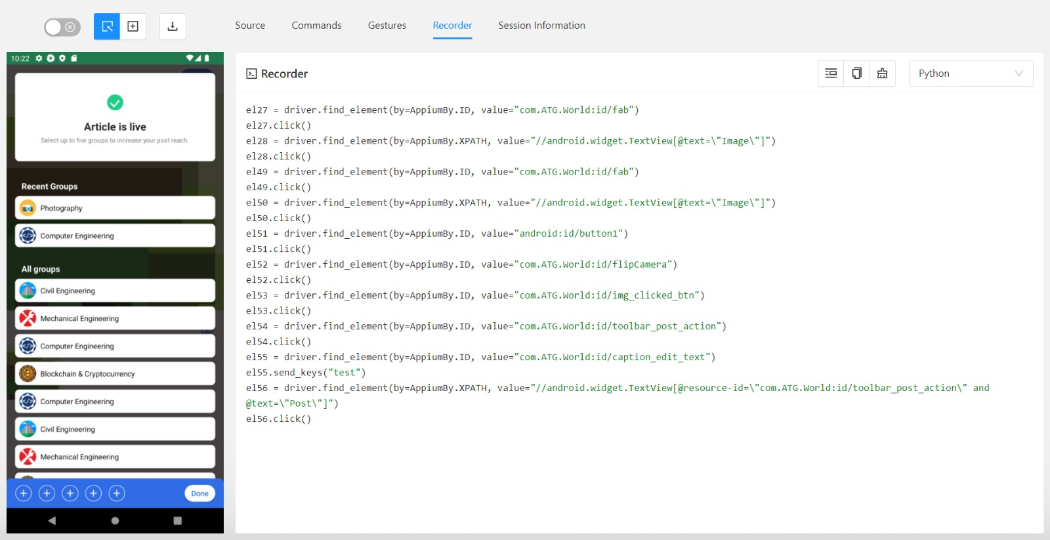
Task | Android APK automation testing

Test Cases No. | Test Case | Test Case Description | Precondition | Test steps | Expected result
Test Case 1 | Valid Image Upload | Verify that a valid image can be successfully uploaded using the POST IMAGE feature | User is authenticated and authorized to upload images | Navigate to the upload image page. Select a valid image file. Click on the "Upload" button. | The image is successfully uploaded and displayed on the designated page
Test Case 2 | Invalid Image Format | Ensure that an error message is displayed when attempting to upload an image with an invalid format | User is authenticated and authorized to upload images | Navigate to the upload image page. Select a file that is not an image (e.g., a text file). Click on the "Upload" button. | An error message is displayed indicating that only image files are accepted
Test Case 3 | Image Size Limit | Validate that the system enforces a maximum size limit for uploaded images | User is authenticated and authorized to upload images | Navigate to the upload image page. Select an image file larger than the maximum allowed size. Click on the "Upload" button. | An error message is displayed indicating that the image exceeds the maximum allowed size
Test Case 4 | Concurrent Uploads | Test the system's behavior when multiple users attempt to upload images simultaneously | Multiple users are authenticated and authorized to upload images | Two or more users simultaneously attempt to upload images | All uploads should be handled independently without interfering with each other, and each user should see their uploaded image displayed correctly
Test Case 5 | Network Interruption | Validate that the system handles network interruptions gracefully during image upload | User is authenticated and authorized to upload images | Start uploading an image. Simulate a network interruption (e.g., disconnect the network connection). Resume the network connection. | The upload process should either resume automatically or allow the user to retry the upload without losing the selected image

